Scores
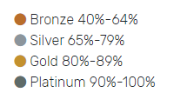
NATIONAL SUSTAINABILITY ASSESSMENT TOOL RESULTS

 |  |  | Our NHS |  |  |  |  | Our People |  |  |  |  | Our Planet
 | Board Section Scores | Governance & Policy | Capital Projects | Active Travel | Transport | Greenspace | Biodiversity | Awareness | Welfare | Ethical Issues | Communities | Sustainable Care | Environmental Management | Procurement & Supply Chain | Waste | Adaptation | Greenhouse Gases | Total
2018-19 SCORES | Grampian Score | 49 | 52 | 20 | 25 | 22 | 15 | 29 | 48 | 13 | 37 | 22 | 37 | 79 | 27 | 27 | 21 | 523
 | (Max Scores) | 120 | 100 | 35 | 50 | 35 | 30 | 85 | 75 | 15 | 85 | 100 | 70 | 150 | 60 | 65 | 60 | 1135

 | Board Section % | 41% | 52% | 57% | 50% | 63% | 50% | 34% | 64% | 87% | 44% | 22% | 53% | 53% | 45% | 42% | 35% | 46%

 |  |  | Our NHS |  |  |  |  | Our People |  |  |  |  | Our Planet
 | Board Section Scores | Governance & Policy | Capital Projects | Active Travel | Transport | Greenspace | Biodiversity | Awareness | Welfare | Ethical Issues | Communities | Sustainable Care | Environmental Management | Procurement & Supply Chain | Waste | Adaptation | Greenhouse Gases | Total
2019-2020 SCORES | Grampian | 22 | 41 | 11 | 17 | 25 | 12 | 10 | 24 | 10 | 28 | 22 | 19 | 17 | 27 | 15 | 8 | 308
 | (Max Scores) | 120 | 90 | 40 | 50 | 50 | 30 | 30 | 35 | 15 | 60 | 70 | 50 | 60 | 45 | 55 | 40 | 840

 | Board Section % | 18% | 46% | 28% | 34% | 50% | 40% | 33% | 69% | 67% | 47% | 31% | 38% | 28% | 60% | 27% | 20% | 37%

 |  |  | Our NHS |  |  |  |  | Our People |  |  |  |  | Our Planet
 | Board Section Scores | Governance & Policy | Capital Projects | Active Travel | Transport | Greenspace | Biodiversity | Awareness | Welfare | Ethical Issues | Communities | Sustainable Care | Environmental Management | Procurement & Supply Chain | Waste | Adaptation | Greenhouse Gases | Total
2020-2021 SCORES | Grampian | 47 | 54 | 13 | 28 | 16 | 6 | 11 | 28 | 9 | 30 | 1 | 24 | 29 | 28 | 6 | 13 | 343
 | (Max Scores) | 120 | 90 | 40 | 50 | 50 | 30 | 30 | 35 | 15 | 60 | 70 | 50 | 60 | 45 | 55 | 40 | 840

 | Board Section % | 39% | 60% | 33% | 56% | 32% | 20% | 37% | 80% | 60% | 50% | 1% | 48% | 48% | 62% | 11% | 33% | 41%

 |  |  | Our NHS |  |  |  |  | Our People |  |  |  |  | Our Planet
 | Board Section Scores | Governance & Policy | Capital Projects | Active Travel | Transport | Greenspace | Biodiversity | Awareness | Welfare | Ethical Issues | Communities | Sustainable Care | Environmental Management | Procurement & Supply Chain | Waste | Adaptation | Greenhouse Gases | Total
2021-2022 SCORES | Grampian | 55 | 60 | 21 | 26 | 17 | 10 | 13 | 30 | 12 | 29 | 24 | 27 | 34 | 30 | 15 | 14 | 417
 | (Max Scores) | 120 | 90 | 40 | 50 | 50 | 30 | 30 | 35 | 15 | 60 | 70 | 50 | 60 | 45 | 55 | 40 | 840

 | Board Section % | 46% | 67% | 53% | 52% | 34% | 33% | 43% | 86% | 80% | 48% | 34% | 54% | 57% | 67% | 27% | 35% | 50%
NHS Grampian NSAT Scores

Governance & Policy
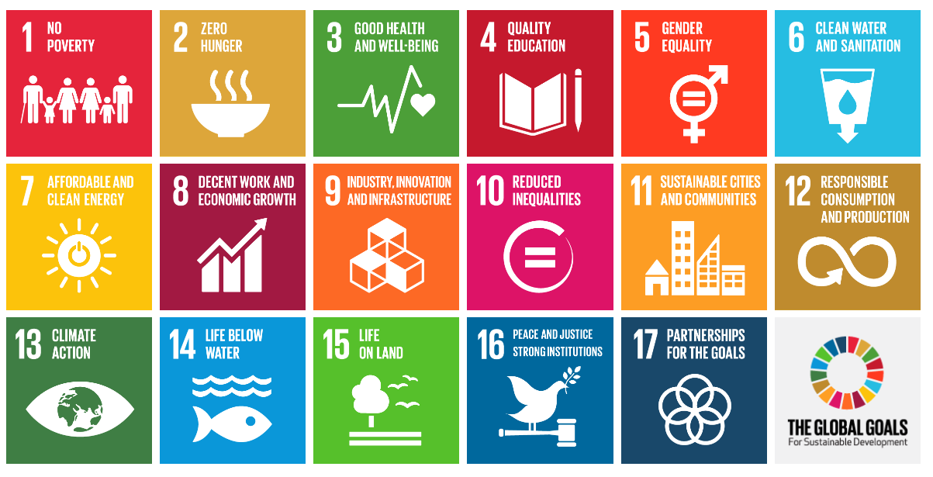
Question Number | Question | UN SDG
1 | Is responsibility and accountability for sustainability and climate change clear across your Board? | 12, 13
2 | Does your Corporate Strategy, organisational values, mission statement, vision and principles reflect your commitment to sustainability (environmentally, socially and economically)? | 1, 3, 8, 12,13
3 | Does your Corporate Strategy, Operational Delivery Plan and other annual reports and plans underpin ambitious targets to reduce negative impacts and maximise benefits? | 1, 2, 3, 11, 13
4 | Do you show stewardship and leadership in sustainability with your stakeholders by leading local forums? | 3, 4, 12, 13, 17
5 | Is sustainability a material consideration in all your business cases and option appraisals? | 12, 13
6 | Do you have a clear Sustainability and Climate Change Strategy which is aligned to other Board policies and plans? | 12, 16, 17
7 | Do you have a climate change and sustainability governance group which engages all parts of your Board to oversee your transition to a net zero carbon organisation? | 7, 12, 13
8 | Do you have a Health and Wellbeing Strategy to promote and support healthy choices in all parts of the workplace and off site? | 11, 12
9 | Do you have a Sustainable Travel Strategy covering the whole of your estate to encourage active travel and the use of public transport? | 3, 12
10 | Do you have a travel policy which states where business travel is unavoidable a travel hierarchy applies? | 3, 12, 15, 17
11 | Do you have a Greenspace Strategy covering the whole of your estate which provides a framework for action to help you maximise your greenspace resource? | 11, 12, 13, 17
12 | Do you have a Biodiversity Action Plan (BAP) covering the whole of your estate to conserve and enhance its biodiversity value? | 15, 17
13 | Do you have an Adaptation Plan, informed by a Climate Change Risk Assessment, covering the whole of your estate to help mitigate the risks and reduce the likely impacts of unavoidable climate change? | 12, 13, 15, 17
14 | Does your organisation have a Sustainable Procurement Policy (for purchasing not via National Procurement Frameworks)? | 13, 15
15 | Have you developed and implemented a Waste Policy with specific targets and objectives aligned with the Waste Hierarchy? | 8, 12, 17
16 | Do you ensure that decision makers, procurement and commercial teams and budget holders fully understand their role and responsibilities in meeting the requirements of the Sustainable Procurement Duty? | 1, 8, 12, 13
17 | Do you have a policy to consider the sustainability of buildings/locations when leasing or procuring based on their sustainabiltiy performance? | 6, 7, 9, 11, 12, 15
18 | Do you have an Equality and Diversity policy that measures equitable access to your services, employment, opportunities and training? | 8, 10, 12
19 | Do you have a policy relating to the development of holistically sustainable care models (clinically, socially, environmentally as well as financially) | 3, 12, 15
20 | Do you have a policy to make every patient/person contact count in keeping patients healthy, informed, in control, and independent? | 1, 3, 16
21 | Do all of your Executive Board members receive training on sustainable care models and how they are developed and deployed? | 3, 12, 17
22 | Do you have a policy to support volunteering of trained clinical staff in low or middle income countries to provide mutually beneficial outcomes through sharing expertise and learning? | 4, 12, 16
23 | Do you routinely report key environmental, social, and financial sustainability performance indicators? | 1, 13
24 | Do you regularly benchmark your performance on and our approach to sustainability with other Boards or similar organsiations? | 4, 7, 13

